WACC
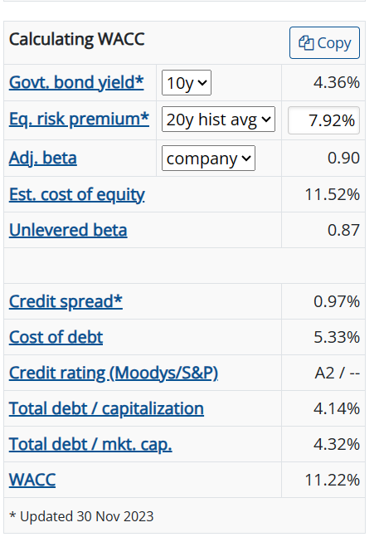
WACC Buildup
$ and shares in millions, except per share data
Cost of capital assumptions |  |  |  |  | Calculating WACC
 |  |  | Source |  | Govt. bond yield | 10y | 4.36%
Cost of debt | 4.18% |  | Same as I/S parameter we used for forecast |  | Eq. risk premium | 20y hist avg | 7.92%
Tax rate | 13.00% |  | Same as I/S parameter we used for forecast |  | Adj. beta | company | 0.9
Cost of debt (after tax) | 3.64% |  | Cost of debt x (1 - tax rate) |  | Est. cost of equity |  | 11.52%
 |  |  |  |  | Unlevered beta |  | 0.87
Risk free rate | 4.19% |  | 30-year treasury rate as of valuation date | Link: St. Louis Fed
Beta | 0.90 |  | Felix |  | Credit spread |  | 0.97%
Market risk premium | 5.50% |  | Krol Rating |  | Cost of debt |  | 5.33%
Cost of equity | 9.14% |  | RfR + Beta x MRP |  | Credit rating(Moodys/S&P) |  | A2 / --
 |  |  |  |  | Total debt / capitalization |  | 4.14%
Capital weights (capital structure) |  |  |  |  | Total debt/mkt Cap |  | 4.32%
 |  | Target |  |  | WACC |  | 11.22%
 | Current | (override) | % of total |  | * Updated 30 Nov 2023
Equity | $2,005,966.06 |  | 99.8% | Estimated through direct common equity valuation (FCFE)
Debt | 4,583 |  | 0.2% | Estimated through DCF valuation (FCF to debt)

Cost of capital (WACC) |  |  | 9.13%

